Table 1

Selected Acquisition Report (SAR)
RCS: DD-A&T(Q&A)823-224

B-2 Extremely High Frequency SATCOM and Computer Increment 1 (B-2 EHF Inc 1)
As of FY 2017 President's Budget
Defense Acquisition Management Information Retrieval
(DAMIR)

Table 22
Unit Cost History
Item |  |  |  |  |  |  |  | Date |  |  |  | BY 2012 $M |  |  |  |  |  |  | TY $M
 |  |  |  |  |  |  |  |  |  |  |  | PAUC |  | APUC |  |  |  |  | PAUC |  |  |  | APUC

Original APB |  |  |  |  | May 2007 |  |  |  |  |  |  | 34.210 |  |  |  | 7.353 |  |  |  | 33.624 |  |  |  | 7.747
APB as of January 2006 |  |  |  |  | N/A |  |  |  |  |  |  | N/A |  |  |  | N/A |  |  |  | N/A |  |  |  | N/A
Revised Original APB |  |  |  |  | N/A |  |  |  |  |  |  | N/A |  |  |  | N/A |  |  |  | N/A |  |  |  | N/A
Prior APB |  |  |  |  | May 2007 |  |  |  |  |  |  | 34.210 |  |  |  | 7.353 |  |  |  | 33.624 |  |  |  | 7.747
Current APB |  |  |  |  | Sep 2012 |  |  |  |  |  |  | 28.960 |  |  |  | 8.062 |  |  |  | 28.335 |  |  |  | 8.450
Prior Annual SAR |  |  |  |  | Dec 2014 |  |  |  |  |  |  | 27.725 |  |  |  | 7.762 |  |  |  | 27.075 |  |  |  | 8.119
Current Estimate |  |  |  |  | Dec 2015 |  |  |  |  |  |  | 27.695 |  |  |  | 7.712 |  |  |  | 27.020 |  |  |  | 8.050
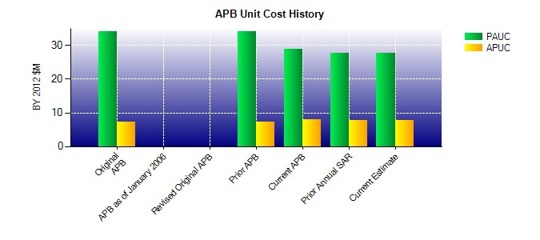
SAR Unit Cost History
Initial SAR Baseline to Current SAR Baseline (TY $M)
Initial PAUC Development Estimate | Changes |  |  |  |  |  |  |  |  |  |  |  |  |  |  |  |  |  |  |  |  | PAUC Production Estimate
 | Econ |  | Qty |  |  | Sch |  |  | Eng |  | Est |  | Oth |  | Spt |  |  | Total
33.624 -0.350 1.381 0.375 0.000 -6.075 0.000 -0.620 -5.289 28.335
Current SAR Baseline to Current Estimate (TY $M)
PAUC Production Estimate |  | Changes |  |  |  |  |  |  |  |  |  |  |  |  |  |  |  |  |  |  | PAUC Current Estimate
 |  | Econ |  | Qty |  |  | Sch |  |  | Eng | Est |  | Oth | Spt |  |  | Total
28.335 -0.010 0.000 0.000 0.000 -1.395 0.000 0.090 -1.315 27.020

